Guidance & Process
The onboarding process and guidance for completing this Supplier Conformance Assessment List (SCAL)
Summary | The information below is about the overall onboarding process and how to complete this SCAL workbook for your product ('connecting system'). The precise steps will be managed by the Onboarding Lead for the specific Services / APIs that you are going to integrate with. This service enables you to demonstrate that your product and organisation meet the NHS England criteria to use our APIs. We call this process ‘onboarding’.
Essential requirements & pre-requisites All connecting system suppliers MUST comply with the following, for any NHS England Services that has requirements in this SCAL If you are unable to confirm any of these and do not have plans to address them, connecting your product to will be delayed. |  | References
ODS Code | Your organisation must have an ODS code. It is needed to complete the Data Security and Protection Toolkit (below) and to log incidents with the National Service Desk. | NHS Digital ODS Portal
Clinical Safety | 1) Compliance with DCB0129 Clinical Risk Management: its Application in the Manufacture of Health IT Systems, is mandatory under the Health and Social care Act 2012 This standard provides a set of requirements to promote and ensure the effective application of clinical risk management by those organisations that are responsible for the development and maintenance of Health IT Systems for use within the health and care environment. The standard includes implementation guidance and is supported by the related standard for the application of clinical risk management in the deployment and use of Health IT Systems. - Your organisation, as the manufacturer of the Health IT system/Product outlined in this SCAL, must have reviewed and implemented this standard. This cannot be completed by a Clinical Safety Officer of one of your customer / End User Organisations. - The link to the right provides information about the standard, published under section 250 of the Health and Social Care Act 2012. An Information Standards Notice provides an overview of scope and implementation timescales, and the other documents provide further detail for those who have to implement the information standard. 2) Your organisation must have a nominated Clinical Safety Officer (but they do not need to be an employee) to carry out clinical risk management. | DCB0129
Legal | At the end of the process, a Connection Agreement must be signed. This is a legally binding agreement with NHS England and confirms that the responses and declarations made throughout this onboarding process are accurate and complete. The signatory must be an officer of the organisation with appropriate authority to make this assertion and accept the Terms of the agreement. The SCAL underpins the NHS England technical conformance process and is referenced in the Connection Agreement that every Supplier must sign before their Product is allowed to connect to NHS England Service(s). A sample of the connection agreement is available at the link below but a tailored version will be sent to you at the point it requires your signature - please do not attempt to sign / return the sample that can be found to the right.
 | https://digital.nhs.uk/binaries/content/assets/website-assets/services/operations/changes-summary/connection-agreement.pdf
Privacy, Transparency & Ethics (Information Governance) and Security | Completion of the Data Security and Protection Toolkit. The Data Security and Protection Toolkit (DSPT) is an online self-assessment tool for organisations to measure their performance against the National Data Guardian’s data security standards. The Toolkit must be completed at least every 12 months for the current year within the deadline and MUST cover the entirety of your Health IT System (Product) and all the NHS England Services covered by this SCAL. All organisations that have access to NHS patient data and systems must use this Toolkit to provide assurance that they are practising good data security and that personal information is handled correctly. | DSPT link
Secure Network | For many NHS England Services, a secure network such as HSCN is required (see link to right). It is not required if Spine will be accessed in Live over the internet e.g. via the Internet Gateway (applicable for some Services). | New to HSCN

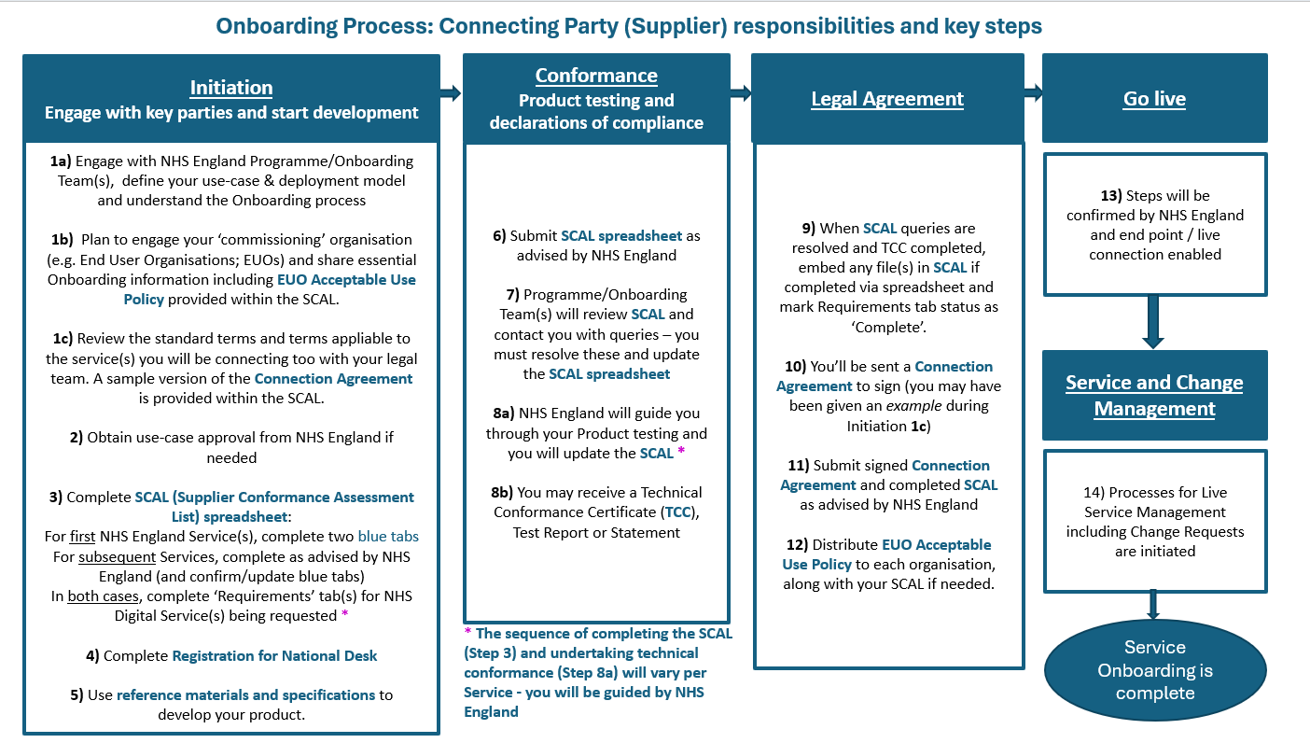 Illustrative Onboarding Journey Please note: The precise Onboarding steps will vary per NHS England Service - please ask your Onboarding Lead for guidance

Guidance
Purpose and Scope The purpose of the Supplier Conformance Assessment list (SCAL) is for a Product Supplier (or End User Organisation - EUO - that is developing a Product 'in-house') to declare, and record, that it meets or complies a range of organisational, technical (Product) and compliance requirements including those for Information Governance & Security, Clinical Safety and individual user interaction. The information you provide in the SCAL can help EUOs to assure themselves that your Product has been developed according to various quality and compliance requirements and standards. If they have any queries about the information you provide in the SCAL, it is your responsibility to address these. The SCAL underpins the technical conformance process and is referenced in the Connection Agreement that every Supplier must sign before their Product is allowed to connect to NHS England Service(s). A SCAL is for each (Supplier) Product, however, a Product that integrates more than one NHS England Service can be covered by a single SCAL.
Process The first time you submit a SCAL, you will complete the details on the Supplier & Product information tab. Each time you integrate the same Product with a further NHS England Service, you must review and update the information as needed. Often, the SCAL is completed during Product development and is submitted as the request to begin Technical Conformance activities including testing. However, for some NHS England Services, testing may be undertaken first, whereby the SCAL is submitted as confirmation or a record of successful testing. The SCAL submission process will be advised to you by the Team responsible for the NHS England Service(s) you are integrating with. Your responses to each question will be reviewed by NHS England and any anomalies or queries will be raised with you. When you receive confirmation from NHS England that the SCAL is complete and accepted, you will retain the 'final' version so that you can provide it to End User Organisations (EUOs) who will be implementing your Product.
Completing the SCAL / Contents |  | References
The SCAL comprises the following sections / tabs:
Guidance and Process | This tab provides some information about the SCAL and guidance to support completion. Should any further detail be required please contact liveserviceonboarding@nhs.net. A Glossary is included at the bottom of this page.
Supplier Product and information | This tab requires the Supplier to provide key details about the Product and organisation. This tab will be completed for the first supplier Product / NHS England Service implementation but must be reviewed and confirmed or updated when every additional supplier Product / NHS England Service is implemented and when any organisation details change.
Service-specific 'Requirements' tabs | You will receive and complete these tabs for each Service that you want to integrate with. Each tab contains generic declarations about compliance and risk management, plus the specific Technical Conformance requirements for the NHS England Service. It may also include a Risk Log. The contents of this tab are determined by the risk profile of the service, which includes the 'connecting system' risks (the 'connecting system' is your product). Once the Technical Conformance section is completed , you must update these tab(s) if there are material changes to your Product or when NHS England notifies of new or changed requirements for a Service that you have previously implemented.
If you don’t meet a requirement ...
Within the SCAL there are questions about whether your organisation or Product meets a requirement. ONLY if you respond 'No' and the right-hand Comments box turns red, do you need to provide details of mitigating actions or other relevant information. Any such 'No' responses should be highlighted to NHS England immediately so that the mitigation details can be reviewed and an approach agreed before implementation of the Product can follow.

Roles and Responsibilities relevant to completion or review of the SCAL
Role | Description
Supplier | Organisation responsible for developing the system, Service, Product or API ('Product') that will interface with an NHS England Spine Service or API and be deployed for use by healthcare professionals and/or their End User Organisation. Responsible for completing the relevant sections of the Supplier Conformance Assessment List, and thus demonstrating compliance against the requirement set and agreeing to a Connection Agreement (example attached).
End User Organisation | The organisation that will deploy the Supplier Product for use in direct patient care, often by healthcare professionals. Accountable for reviewing the content of the completed Supplier Conformance Assessment Checklist and undertaking local assurance, risk management and acceptance of the Product. The End User Organisation may also be the Supplier, if a Product is developed in-house.
NHS England | Responsible for reviewing the relevant sections of the Supplier Conformance Assessment Checklist for completion and progressing exceptions. Responsible for guiding the Supplier how to complete the SCAL. Provides a certificate or statement of technical conformance following successful completion of the defined process and testing.

Glossary
Term | Description
API | Application Programming Interface
CA | Connection Agreement
CP-IS | Child Protection Information Sharing
CSO | Clinical Safety Officer
DCB | Data Coordination Board
DCB0129 | The standard that sets clinical risk management requirements for manufacturers / developers of health IT systems
DCB0160 | The standard that requires a health organisation (EUO) to establish a framework within which the clinical risks associated with the deployment and implementation of a new or modified health IT system are properly managed
DSP Toolkit | Data Security and Protection Toolkit (the replacement for the IG Toolkit)
EPR | End Point Registration; the part of Spine Directory Service (SDS) in which information about Conformant Systems and Services is held
EPS | Electronic Prescription Service
e-RS | e-Referral Service comprising electronic booking with a choice of place, date and time for first hospital or clinic appointments
EUO AUP | End User Organisation Acceptable Use Policy
EUO | End User Organisation; the organisation that will deploy the Supplier System/Product for use by healthcare professionals in delivering patient or client care
HSCN (was N3) | Health and Social Care Network); a Wide Area IP Network (WAN), connecting multiple sites across the NHS within England & Scotland
IAO | Information Asset Owner
IG | Information Governance
IGARD | Independent Group Advising on the Release of Data
ISMS | Information Security Management System
ITK | Interoperability Toolkit
ITK Conformance | NHS England team, part of Solution Assurance, manages Product / Technical Conformance
MHRA | Medicines and Healthcare Products Regulatory Agency
NEMS | National Events Management Service
NHS England SMSP-PDS | Spine Mini Service Provider for Personal Demographics Service
NRLS | National Record Locator Service
ODS | Organisation Data Service
ODS code | A unique identifier allocated to an organisation and their sites, issued by NHS England to organisations that interact with the Health and Social Care sector and that need access to national IT systems or Services
PDS | Personal Demographics Service
Product | The software or Product that will interface with the NHS England Service API
SA | Solution Assurance (NHS England team)
SCAL | Supplier Conformance Assessment List
SCR | Summary Care Record; key patient data derived from information held on GP clinical systems
SIRO | Senior Information Risk Owner
SMS | Spine Mini Service; a read-only connection available for some national NHS Services that does not need full Spine compliance
Spine | The collection of national applications, Services and directories that support the NHS in the exchange of information across national and local NHS systems
SRO | Senior Responsible Owner
Supplier | The developer (organisation/person) of the Product that will interface with the NHS England Service API
SUS | Secondary Uses Service
Technical Conformance | The process of demonstrating Product compliance against the requirement set for the API

