Data Set Details

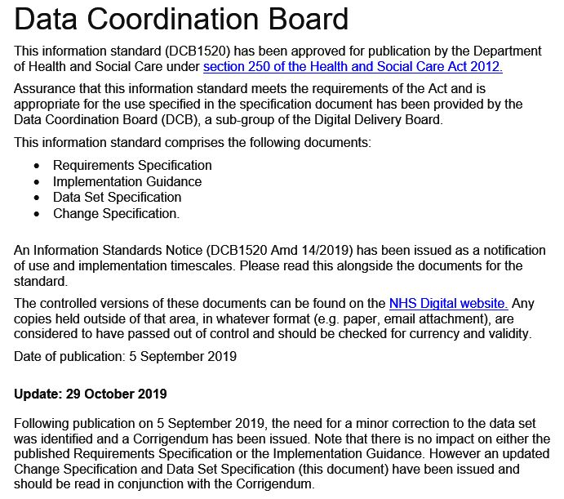
Improving Access to Psychological Therapies Data Set Version 2.0
Data Set Specification

Title | Improving Access to Psychological Therapies Data Set Version 2.0
DCB Reference | DCB1520 Amd 14/2019
Sponsor | Amanda Pritchard | Status | Final
Developer | Aaron Leathley - NHS Digital | Version | 2.0.15
Author | Data Set Development Service - NHS Digital | Version Date | 2019-10-15

Background
The Improving Access to Psychological Therapies (IAPT) Data Set is a patient level, output based, secondary uses data set which aims to deliver robust, comprehensive, nationally consistent, and comparable information for people accessing NHS funded IAPT services located in England. This national data set has been developed with the IAPT Programme to support service delivery and inform clinical decision-making and encourage improved access to talking therapies for people with common mental health problems such as depression and anxiety disorders. As a secondary uses data set it re-uses clinical and operational data for purposes other than direct patient care, for example: commissioning, service improvement and service design. It defines the data items, definitions, and associated value sets to be extracted or derived from local information systems. These national definitions allow providers to extract data from their local systems in a consistent manner, which supports national and local reporting to be undertaken.

Purpose of this document
The purpose of this document is to define the data items that make up the various groups within the IAPT v2.0 output data set. Each data item is fully described and the expected format and valid values are also included. Note: This document does not attempt to describe how the data items should be submitted, this is covered in the Technical Guidance, nor does it attempt to define the reports that will be returned to data providers by the data landing platform or list all of the error and warning messages that may be produced, these are covered in the IAPT v2.0 Technical Output Specification available from the NHS Digital IAPT webpage: https://digital.nhs.uk/data-and-information/data-collections-and-data-sets/data-sets/improving-access-to-psychological-therapies-data-set

Related Documents
A comprehensive set of documentation has been developed by the project team. Please see the IAPT v2.0 Implementation Guidance, Section 2.5, for an overview of the documentation available and where they can be found. This document should be read in conjunction with the following documents: • IAPT v2.0 Requirements Specification • IAPT v2.0 Change Specification • IAPT v2.0 Implementation Guidance • IAPT v2.0 Technical Output Specification • IAPT v2.0 User Guidance • IAPT v2.0 Technical Guidance • NHS Data Model and Dictionary
Document Release History
Version | Date Issued | Version Description
2.0.3 | 2019-05-02 | First pre-publication draft release of the IAPT v2.0 Data Set Specification to enable Public Consultation.
2.0.5 | 2019-06-10 | Second release of a pre-publication draft specification to enable further consultation with stakeholders.
2.0.12 | 2019-07-31 | Final release for DCB approval and publication.
2.0.15 | 2019-10-15 | Amendments to the specification in line with the agreed corrigendum: - Inclusion of an Integrated IAPT-LTC indicator - Correction to an error in the format listed for a data item - Amendment to group notes for IDS004EmpStatus - Amendment to UID for a data item Please see the Summary of Changes tab for full details of these amendments.

For more information on the status of this document, please contact: |  | Data Set Development Service
 |  | NHS Digital
 |  | 1 Trevelyan Square
 |  | Boar Lane
 |  | Leeds, LS1 6AE
 |  | Tel: 0300 303 5678
 |  | Internet: https://digital.nhs.uk/
 |  | Email: enquiries@nhsdigital.nhs.uk

Copyright © 2019, Health and Social Care Information Centre.
The Health and Social Care Information Centre is a non-departmental body created by statute, also known as NHS Digital.

Document Guidance

Improving Access to Psychological Therapies Data Set v2.0

Data Set Specification

How to read the Data Set Specification

Output Data Set Tabs

Column Name | Definition
Group Name | The group name is highlighted in the yellow box at the top. This name (or a truncated version of it) will be used to name the corresponding element structure in the IDB.
Group-level notes for Data Providers | Provides further notes for data providers regarding population of the data set table.
Group Mandation | Shows levels of mandation for the data group, as described to DCB. Mandatory: These data groups MUST be reported for each included patient and represent the minimum data for a patient to appear in the submission. Failure to submit these groups will result in the rejection of all submitted groups for that patient. Required: These data groups MUST be reported where they apply. Failure to submit these groups will not result in the rejection of the other groups submitted for that patient, but may affect the derivation of national indicators or national analysis. Please note that the purpose of the data set is not to change clinical practice. Optional: These data groups MAY be submitted on an optional basis at the submitters discretion. Pilot: These data groups have been included within the specification for piloting purposes only to support future implementation. These data groups have not been approved and/or mandated and SHOULD NOT be submitted unless specifically requested by NHS Digital.
UID | Unique identifier for a data item within a data set table.
Data Item Name (Data Dictionary Element) | The unique title or name of the data item.
Data Item Description | Provides a description and explains in detail what information the data item is requiring the user to capture.
Format | The format of the data item expressed in data type and length. For dates and times it specifically refers to the exact formatting. For other fields it describes the data type required and the max/min field lengths. NB. These formats are described within the IDB.
National Codes | The permissible values associated with a particular data item value for data submission and analysis purposes
National Code Descriptions | Provides a list of definitions associated with the National Codes where included.
M/R/O/P | Shows levels of mandation for the data item as described to DCB. Please note that these rules are applied at record level. I.e. they only apply where a record is included in a given table. Mandatory: These data items MUST be reported. Failure to submit these items will result in the rejection of the record. Required: These data items MUST be reported where they apply. Failure to submit these items will not result in the rejection of the record but may affect the derivation of national indicators or national analysis. (Please note that the purpose of the data set is not to change clinical practice.) Optional: These data items MAY be submitted on an optional basis at the submitters discretion. Pilot: These data items have been included within the specification for piloting purposes only to support future implementation. These data items have not been approved and/or mandated and SHOULD NOT be submitted unless specifically requested by NHS Digital.

Date Formats
The NHS Data Model and Dictionary specification for date formats is an10 CCYY-MM-DD. The Intermediate Database holds dates in a generic 'Date' format. Provided the supplied IDB is not modified and a valid format is submitted, date data will flow effectively. The IDB will accept various date formats and translate them into the required format. However data providers should check that the day and month parts of the date have been correctly interpreted. For example: the 5th April 2013 entered as DD-MM-YYYY will be correctly interpreted. the same date entered as MM-DD-YYYY (American) would not as the IDB would have no way of knowing that the intention was not to enter 4th May 2013.

