Dataset Details
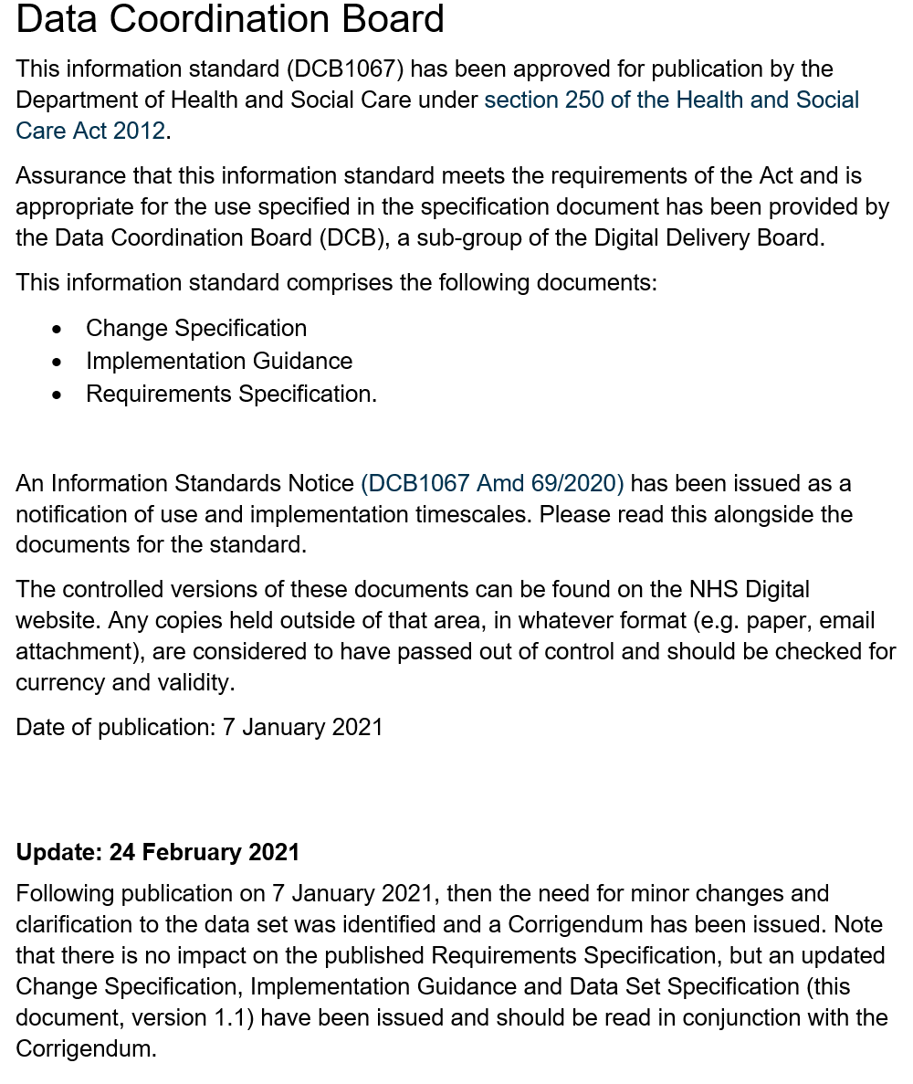


National Workforce Data Set (NWD) v3.2

 |  |  | Version 1.1 (updated 19/02/2021 to accompany Corrigendum)

Document Purpose

This document defines the specification for version 3.2 of the National Workforce Data Set (NWD) incorporating the changes to the Job Role, Occupation Code, Area of Work, Destination on Leaving, Fixed Term / Temporary Contract Reason, Qualification Type, Reason for Leaving, Source of Recruitment, Nationality, guidance updates linked to the existing Absence Type for new ‘related’ reasons and other presentational/guidance updates.
This version incorporates the changes to NWD v3.2 approved by the Data Coordination Board (DCB) and published in the Information Standards Notice (ISN) DCB1067 Amd 69/2020.

Document Version History

Version | Date Issued | Brief Summary of Change | Owner’s Name
0.1 | 2020-11-13 | Merge in Summary of Changes. | Nick Armitage
0.2 | 2020-11-17 | Additional updates to the specification document and details added to Comments in Summary of Changes tab. | Nick Armitage
0.3 | 2020-11-20 | Updated Class and Codes Appendix and Closed Values tab with new / changed / retired values, added detail to NWD Dataset tab for new Fixed Term/Temporary Contract Reason element, corrected error with existing Primary and Secondary values for Community Mental Health AoW. | Nick Armitage
0.4 | 2020-11-20 | Minor date of copyright and version updates in Dataset Details, NWD Dataset and Class and Code Appendix tabs | Nathan Langan
0.5 | 2020-11-21 | Final update to add change to 'art / music / drama therapy' occupation codes discovered when considering draft of occupation code manual version 18 for other planned changes. | Nick Armitage
0.6 | 2020-12-19 | Post DC-Sub-Board approval, minor update made following comments by Data Dictionary team to remove accidental duplication of GP Practice introduced in Source of Recruitment values linked to creation of PCN module of NWRS. Confirmed ESR and NWRS not effected so duplication removed from all documentation and not to be added to Data Dictionary. | Nick Armitage
0.7 | 2021-01-07 | Minor updates made to include the Data Dictionary codes | Nathan Langan
0.8 | 2021-01-26 | Minor updates made to correct a few identified inaccuracies | Jill Clark
0.9 | 2021-02-08 | Additional update following a change made to the Data Dictionary | Jill Clark
1.0

IMPORTANT: Changes defined within this document have been formally approved by the Data Coordination Board (DCB). This document should be read in conjunction with ISN DCB1067 Amd 69/2020 and NWD v3.2 supporting guidance material. NOTE: The implementation of the NWD in the ESR (and other systems) occasionally differs from the standard for operational reasons. Care should be taken when analysing data extracted directly from such systems which may include additional values not specified here or minor differences in spelling and/or formatting of values and codes. Additional information regarding the implementation of the NWD within ESR is available through the ESR Kbase.

For more information on the status of this document, please see the covering letter or contact:

 |  | NHS Digital
 |  | 1 Trevelyan Square
 |  | Boar Lane
 |  | Leeds
 |  | LS1 6AE

 |  | Tel: 0300 303 5678
 |  | Email: enquiries@nhsdigital.nhs.uk
 |  | Website: www.digital.nhs.uk

Date of Issue |  | 24 February 2021 - Final
Reference |  | NWD_v3.2_Data_Set_Specification_v1.1.xls
Copyright ©2021 The Health and Social Care Information Centre. NHS Digital is the trading name of the Health and Social Care Information Centre.

This updated National Workforce Dataset (NWD) Specification is based upon the National Workforce Data Definitions v2.0 & 2.1 and National Workforce Data Definitions - Classifications and Codes Appendix v2.0, 2.1, 2.2, 2.3, 2.4, 2.5, 2.6, 2.7, 2.8, 2.9, 3.0 and 3.1 published in May 2005, June 2009, June 2010, December 2010, December 2011, December 2012, May 2013, December 2013, January 2016, October 2017, October 2018 and July 2019 respectively. The original documents were developed by the NHS National Workforce Projects in partnership with the Department of Health.

The contents of the NWD or associated papers may not be altered in any way.

Glossary

The following acronyms and abbreviations have been used within the NWD and this document:

AHP |  | Allied Health Professions / Allied Health Professional
CCST |  | Certificate of Completion of Specialist Training
CPD/E |  | Continuing Professional Development / Education
DHSC |  | Department of Health and Social Care
DWP |  | Department for Work and Pensions
ECDL |  | European Computer Driving Licence
EEA |  | European Economic Area
ENB |  | English National Board
ESR |  | Electronic Staff Record
ESRDW |  | Electronic Staff Record Data Warehouse
EWTD |  | European Working Time Directive
FTE |  | Full Time Equivalent
FTN |  | Fixed Term Training Appointment Number
GDC |  | General Dental Council
GMC |  | General Medical Council
GNVQ |  | General National Vocational Qualification
GP |  | General Practitioner
GPhC |  | General Pharmaceutical Council
HCPC |  | Health and Care Professions Council
HE |  | Higher Education
HEI |  | Higher Education Institution
HESA |  | Higher Education Statistics Agency
HR |  | Human Resources
HSCIC |  | Health and Social Care Information Centre - known as NHS Digital
IND |  | Immigration and Nationality Department
ISN |  | Information Standards Notice
JCPTGP |  | Joint Committee on Postgraduate Training for General Practice
LA |  | Learning Account
LSC |  | Learning and Skills Council
LTR |  | Labour Turnover Rate
MDC |  | Medical and Dental Census
NHS |  | National Health Service
NMC |  | Nursing and Midwifery Council
NTN |  | National Training Number
NVQ |  | National Vocational Qualification
NWD |  | National Workforce Dataset
ODS |  | Organisation Data Service
OPCS |  | Office of Population, Census and Surveys
OTA |  | Oracle Training Administration Module
PCT |  | Primary Care Trust
PDP |  | Personal Development Plan
PGD |  | Post Graduate Dean
PGMDE |  | Post Graduate Medical and Dental Education
PMETb |  | Postgraduate Medical Education and Training Board
PT |  | Part-Time
RTA |  | Road Traffic Accident
SpR |  | Specialist Registrar
STA |  | Specialist Training Authority of the Medical Royal Colleges
VTN |  | Visiting Training Number
WIRG |  | Workforce Information Review Group
WoNAB |  | Workforce Numbers Advisory Board
WoVEn |  | Workforce Validation Engine - monthly NHS workforce data quality testing and reporting system administered by NHS Digital
WTE |  | Whole Time Equivalent

