0. Data Set Details

CDS V6-2-3 Type 011 - Emergency Care Data Set (ECDS) Technical Output Specification v3.1

Technical Output Specification v3.1

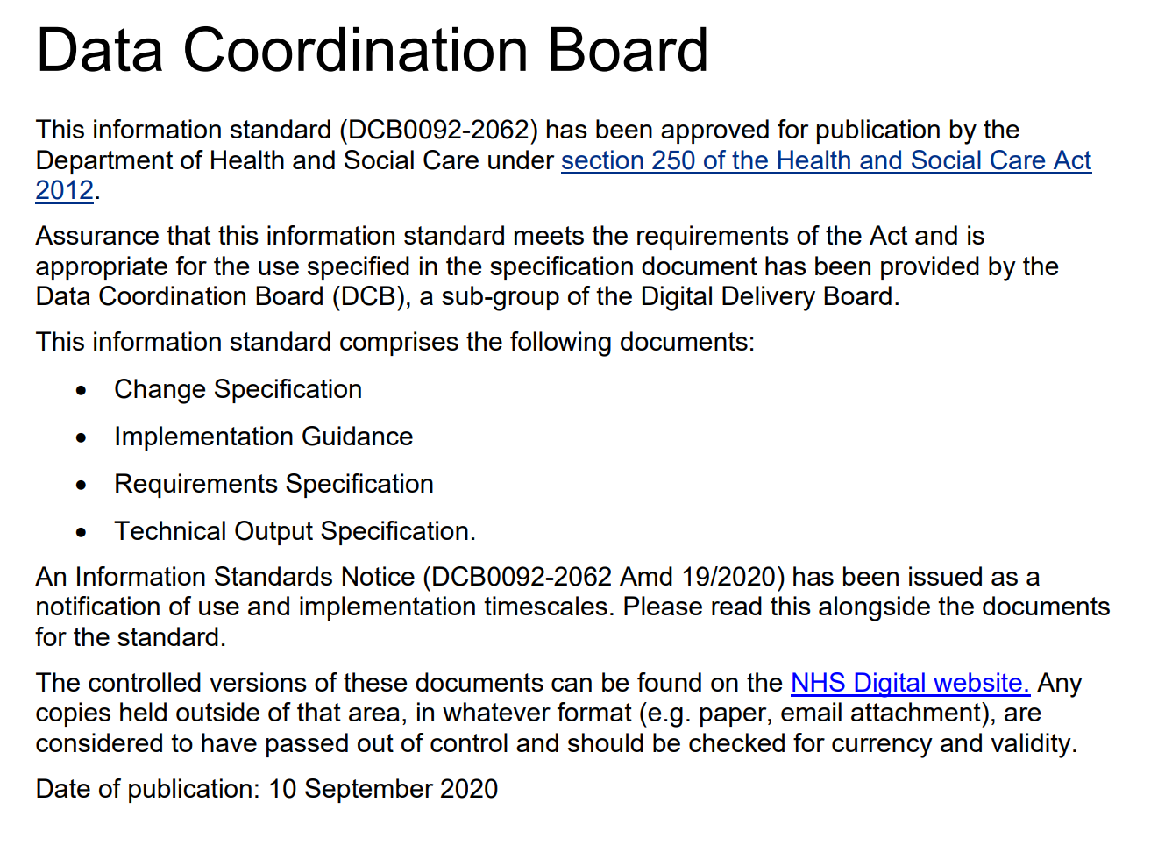
Data Set Details

Purpose of this document
The CDS Type 011 - ECDS Technical Output Specification (TOS) is intended to provide a comprehensive technical view of the provider submission. This technical specification presents the ECDS data item groups as 'final'. Where a data item is governed by a defined list of values, they are included for all NHS Data Model and Dictionary data items. Reference is given to all SNOMED CT data items. Enhanced versions of the Technical Output Specification include additional worksheets displaying the values and associated additional information for all SNOMED CT data items too, for that release. The data set tables include data item level detail necessary to construct an output data set suitable for submission. The data set tables also include additional information explaining: - which records should be included in a submission - validation rules - format - provenance

ECDS Data Groups - the list below matches the 'blue tabs'

Name of Data Group |  |  | Name of corresponding tab
4. Patient Pathway |  |  | 4. PATIENT PATHWAY
5. Patient Identity |  |  | 5. PATIENT IDENTITY
6. Patient Characteristics |  |  | 6. PATIENT CHARACTERISTICS
7. Mental Health Act Legal Status |  |  | 7. MENTAL HEALTH ACT
8. GP Registration |  |  | 8. GP REGISTRATION
9. Emergency Care Attendance Location |  |  | 9. ATTENDANCE LOCATION
10. Ambulance Details |  |  | 10. AMBULANCE DETAILS
11. Emergency Care Attendance Activity Characteristics |  |  | 11. ATTENDANCE ACTIVITY
12. Expected Time of Treatment |  |  | 12. EXPECTED TIME OF TREATMENT
13. Coded Scored Assessment |  |  | 13. CODED SCORED ASSESSMENT
14. Coded Clinical Observations |  |  | 14. CODED CLINICAL OBSERVATIONS
15. Coded Clinical Findings |  |  | 15. CODED CLINICAL FINDINGS
16. Injury Characteristics |  |  | 16. INJURY CHARACTERISTICS
17. Patient Clinical History |  |  | 17. PATIENT CLINICAL HISTORY
18. Service Agreement Details |  |  | 18. SERVICE AGREEMENT DETAILS
19. Care Professionals (Emergency Care) |  |  | 19. CARE PROFESSIONALS
20. Emergency Care Diagnosis (SNOMED CT) |  |  | 20. DIAGNOSIS
21. Emergency Care Investigations (SNOMED CT) |  |  | 21. INVESTIGATIONS
22. Emergency Care Treatments (SNOMED CT) |  |  | 22. TREATMENTS
23. Referrals to Other Services |  |  | 23. REFERRALS TO OTHER SERVICES
24. Discharge from Emergency Care |  |  | 24. DISCHARGE
25. Research and Outbreak Notification |  |  | 25. RESEARCH & DISEASE OUTBREAK

Background
The Emergency Care Data Set (ECDS) is the national data set for urgent and emergency care and applies to Emergency Care Departments.
Related Documents
This document should be read in conjunction with the following documents: • CDS Type 011 - ECDS Requirements Specification • CDS Type 011 - ECDS Change Request • CDS Type 011 - ECDS Implementation Guidance • CDS Type 011 - ECDS User Guidance • CDS Type 011 - ECDS Technical Guidance

Document Version History
Version | Status | Date Published | Brief Summary of Change
2.0 | Final | Nov-18 | Minor format changes to data items Removal of CQUIN column New code for Overseas Visitor Data Dictionary review changes, typo fixes and formatting improvements
2.1.0 | Final | Feb-19 | Removed parent term of 267073005 from Suicidal thoughts (finding) Corrected typo from 'Back' to 'Black D - White and Black Caribbean' Changed Postcode of Usual Address format to min an2 max an8 and added an end date to deprecated SNOMED Codes
2.1.1 | Final | Mar-19 | Removed deprecation note for 55899000-Foreign body on external eye (disorder)
2.1.1.1 | Final | Apr-20 | Added COVID-19 Coronavirus SNOMED DIAGNOSIS due to the infectious disease outbreak
3.0 | Final | Sep-20 | DCB version 1.0 Changes related to Clinical Review of Standards: Addition of 'ready to proceed' and removal of Emergency Care Attendance Conclusion Date + Time. Addition of coded scored assessment, clinical observation and other changes
3.1 | Final | Jan-22 | DCB version 1.1 Updates to NHS Data Model and Dicitonary links throughout Correction to data group name PATIENT IDENTITY - LOCAL IDENTIFIER STRUCTURE
3.1.1 | Final | Feb-22 | DCB version 1.2 Updates to broken NHS Data Model and Dicitonary links throughout
For more information on the status of this document, please contact: |  |  | Data Set Development Service
 |  |  | NHS Digital
 |  |  | 7 and 8 Wellington Place
 |  |  | Leeds
 |  |  | West Yorkshire
 |  |  | LS1 4AP
 |  |  | Internet: www.digital.nhs.uk
 |  |  | Email: enquiries@nhsdigital.nhs.uk

Copyright © 2022, Health and Social Care Information Centre. The Health and Social Care Information Centre is a non-departmental body created by statute, also known as NHS Digital.

