DCB Assurance
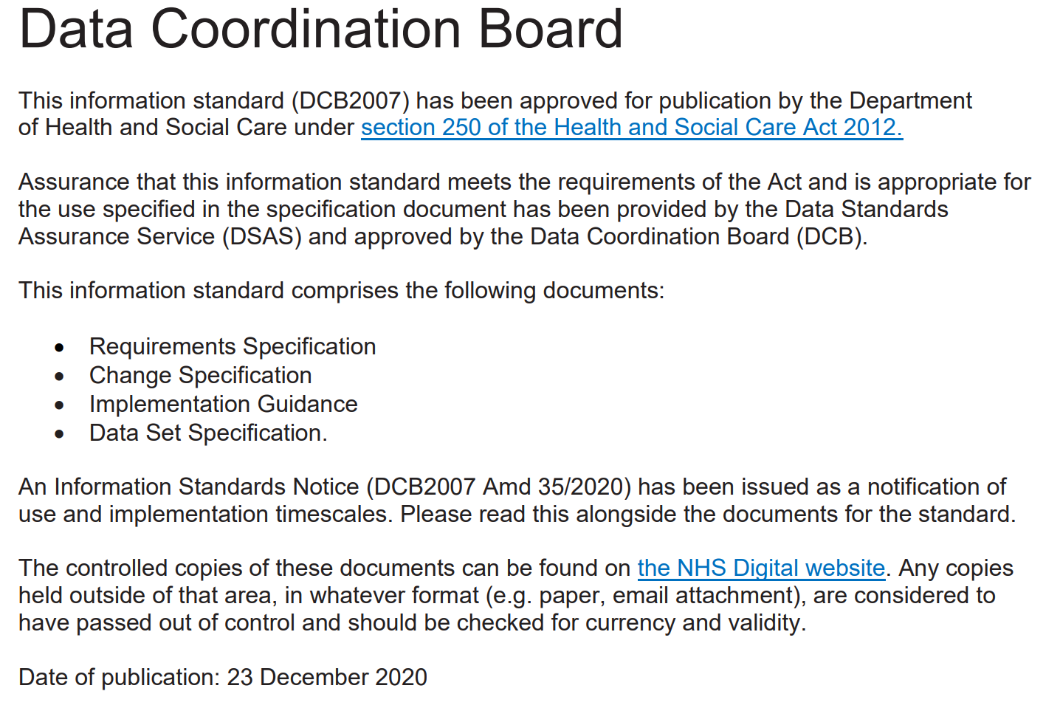

Update 30 March 2021

Following publication of this Data Set Specification in December 2020, several minor typographical errors were identified,
along with the need for further clarification of some of the questions.
These issues have now been corrected in this version of the Data Det Specification (V1.1) and the corrections are listed below for information.
Note that there is no impact on either the published Requirements Specification, Change Specification or the Implementation Guidance.

Question | Type of change | Was | Now
Q11b | Correction to question description | Only required if patient was admitted from another hospital setting, i.e. if Q7a is coded 49, 51, 53 | Only required if patient was admitted from another hospital setting, i.e. if Q7a is coded 49, 51, 53 and 87
Q19b | Correction to 'Mandatory' details | If 192 is 1, 2 or 3 … | If 19a is 1, 2 or 3 …
Q36 | Correction to question (acronym expansion) | EHCPs | Education Health and Care plan (EHC plan)
Q41b | Correction to question description (acronym expansion) | EHCPs | Education Health and Care plan (EHC plan)
Q41e | Correction to question description (acronym expansion) | EHCPs | Education Health and Care plan (EHC plan)
Questions 26 - 31 | Clarification Care and Treatment Review (CTR) references in questions and descriptions have been amended to include C(E)TRs for under 18 year olds | Care and Treatment Review or CTR | Care (Education) and Treatment Reviews C(E)TRs
Q41k | Capitalisation of data value | x | X
Q41q | Capitalisation of data value | x | X
Q41r | Correction to 'Mandatory' details | Mandatory: Enter one option only | Mandatory when record is closed: enter one option only
Q49 | Clarification of message | Important: Be aware that you will not be able to edit the patient record once you have entered a date in this field and submitted the record. | (Message moved to after Q50)
Q50 | Clarification of message |  | Important: Be aware that you will not be able to edit the patient record once you have entered data in this field and submitted the record.
Q50 | Clarification of message - 'date' changed to 'data'. | Important: Be aware that you will not be able to edit the patient record once you have entered a date in this field and submitted the record. | Important: Be aware that you will not be able to edit the patient record once you have entered data in this field and submitted the record.

