Cover
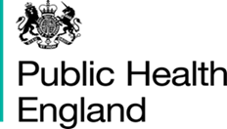

National Drug and Alcohol Treatment Monitoring System (NDTMS) Core Dataset Q DAPB0107 Amd 50/2021 Technical Output Specification: Secure setting Adult dataset (SA)

Published 30 September 2021

http://digital.nhs.uk/isce/publication/dapb0107

Update 28 June 2022:
The current release of DAPB0107 National Drug and Alcohol Treatment Monitoring System (NDTMS) was published on 30 September 2021. Since then, the need for corrections to the data set has been identified and a Corrigendum has been issued. Note that there is no impact on the published Requirements Specification or the Implementation Guidance. However, an updated Change Request and updated Technical Output Specifications have been issued and should be read in conjunction with the Corrigendum.
https://digital.nhs.uk/binaries/content/assets/website-assets/isce/0107/0107502021corrigendum.pdf

