Cover
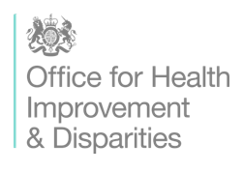

National Drug and Alcohol Treatment Monitoring System (NDTMS) Core Dataset R DAPB0107 Amd 43/2023 Technical Output Specification: Secure setting Young People dataset (SY)

Published 11 January 2024

http://digital.nhs.uk/isce/publication/dapb0107

