Cover
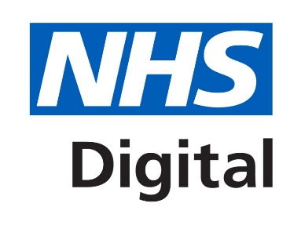

 | National Diabetes Audit - Specialist / Secondary Diabetes Services

 | This document forms the specification of the National Diabetes Audit, which contains information that is required for diabetes structured education services to submit their data into the Clinical Audit Platform.
 | It includes details that will support manual data entry, as well as the .csv specifications to enable bulk upload of data into the Clinical Audit Platform.

 | Please note that Microsoft Excel often changes commas and leading zeroes when editing files, it may be preferable to use Notepad or equivalent.

 | The National Diabetes Audit is a major National Clinical Audit, which measures the effectiveness of diabetes healthcare against NICE Clinical Guidelines and NICE Quality Standards, in England and Wales. The NDA collects and analyses data for use by a range of stakeholders to drive changes and improvements in the quality of services and health outcomes for people with diabetes.

 | Who Should Use This Guidance Services that only provide diabetes structured education services should register to have access to the Structured Education Portal (NDASE). Access to the Structured Education portal (National Diabetes Audit) is restricted to: - organisations in England which only provide structured education services (and no other specialist diabetes services) - any organisations in Wales which provide structured education services

 | Which Patients Should Be Included Please return information for diabetes patients diagnosed and registered with your service. Records should be returned for people diagnosed with Diabetes Mellitus, this includes patients with Type 1, Type 2, MODY or Other diabetes. Please do not include information for Patients diagnosed with gestational diabetes or diabetes insipidus.

 | Submitting Your Data When you have checked your data and are ready to submit please make sure you have saved the individual .csv files separately and with the correct file name. You can then login to the Clinical Audit Platform (CAP) and submit your data via the File Submission Dashboard, where you can upload your .csv files. We recommend that you keep a copy of this file for your records in case we need to contact you about your submission. This can be deleted once we have published the report although you may want to keep a copy of the insulin pump data to use as a basis for next years submission.

 | Contacting Us For all queries relating the National Diabetes Audit, please contact the audit team at diabetes@nhs.net or telephone 0300 303 5678

Change Log:
1.0 | Release for Live | 2021-04-01
Copyright ©2021 Health and Social Care Information Centre NHS Digital is the trading name of the Health and Social Care Information Centre.

