Contents
Health Survey for England 2022 Methodology: Applying revised alcohol conversion units to HSE 2019 and 2021 |  | 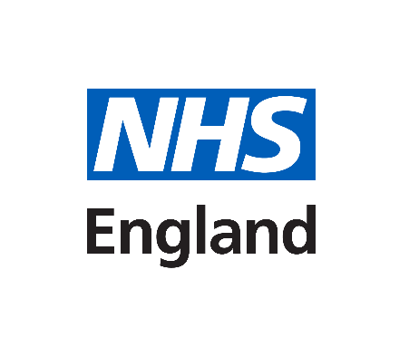
Excel tables
Publication date: 20 May 2024
Link to publication: | https://digital.nhs.uk/data-and-information/publications/statistical/health-survey-for-england

Introduction
These tables accompany the Health Survey for England 2022 Alcohol Consumption Methodology report, Changes to alcohol unit conversion factors

Contents
Health Survey for England 2019
Table 1: Summary of weekly alcohol consumption among drinkers, by age, sex, original and revised alcohol unit conversion factors
Table 2: Summary of weekly alcohol consumption, by age, sex and original and revised alcohol unit conversion factors
Table 3: Estimated maximum alcohol consumption on any day in the last week among drinkers, by age, sex and original and revised alcohol unit conversion factors
Table 4: Estimated maximum alcohol consumption on any day in the last week, by age, sex, original and revised alcohol unit conversion factors
Health Survey for England 2021
Table 5: Estimated weekly alcohol consumption, by survey year, age, sex, original and revised alcohol unit conversion factors
Table 6: Estimated maximum alcohol consumption on any day in the last week, by survey year, age, sex, original and revised alcohol unit conversion factors
Confidence Intervals
Table 7: True standard errors and 95% confidence intervals for average weekly alcohol consumption among adults, by age and sex, using the original conversion factors (2019)
Table 8: True standard errors and 95% confidence intervals for average weekly alcohol consumption among adults, by age and sex, using the revised alcohol conversion factors (2019)
Table 9: True standard errors and 95% confidence intervals for estimated maximum alcohol consumption on any day in the last week, by age and sex, using the revised alcohol conversion factors (2019)
Table 10: True standard errors and 95% confidence intervals for average weekly alcohol consumption among adults, by age and sex, using the revised alcohol conversion factors (2021)
Table 11: True standard errors and 95% confidence intervals for estimated maximum alcohol consumption on any day in the last week, by age and sex, using the revised alcohol conversion factors (2021)

Further Information
The Health Survey for England 2022 is the latest in a series of surveys commissioned by NHS Digital and carried out by The National Centre for Social Research and UCL. The surveys are representative of adults and children in England, and are used to monitor the nation's health and health-related behaviours.
For further details about the Health Survey for England 2022, including links to other topic reports and detailed methodological information, see:
https://digital.nhs.uk/data-and-information/publications/statistical/health-survey-for-england

Contact Details
Authors: Linda Ng Fat, UCL, and Anne Conolly, The National Centre for Social Research
Lead Analyst: David Connelly, Clinical Outcomes and Indicators
Public Enquiries: 0300 303 5678
Email: enquiries@nhsdigital.nhs.uk
Press enquiries should be made to Media Relations Manager on 0300 303 3888

Published by NHS England, part of the Government Statistical Service
Copyright © 2024 NHS England

You may re-use this document/publication (not including logos) free of charge in any format or medium, under the terms of the Open Government Licence v3.0.
To view this licence visit
www.nationalarchives.gov.uk/doc/open-government-licence
or write to the Information Policy Team, The National Archives,
Kew, Richmond, Surrey, TW9 4DU;
or email: psi@nationalarchives.gsi.gov.uk

